InputOutput
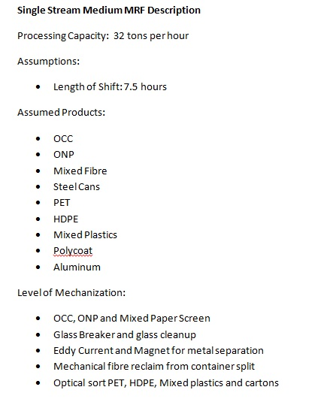
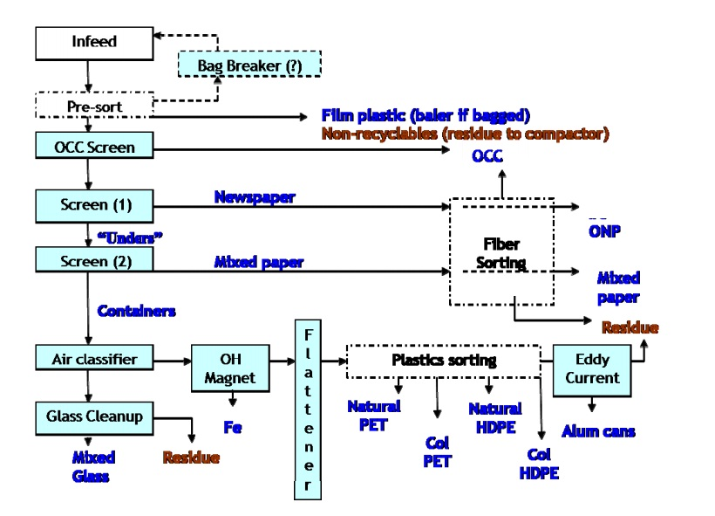
INPUTS |  |  | DESCRIPTION AND ASSUMPTIONS |  | PROCESS FLOW DIAGRAM
Annual Incoming Tonnes | 27,433 T |  | Picture 5 | Picture 8
Number of Streams | Single
Classification | Single Stream Medium

Can Be Supported By:
Large Urban | a | 426542.74
Urban Regional | a | 229743.24
Medium Urban | a | 51230.33511
Small Urban |  | 25910.56971
Rural Regional | a | 96390.61955
Rural Collection - North |  | 9942.013744
Rural Collection South | a | 38299.41524
Rural Depot North |  | 6048.466868
Rural Depot South |  | 8816.987948

Building amortization period | 20 Years
Equipment amortization period | 10 Years
Rolling stock amortizaiton period | 8 Years
Interest Rate | 4%

OUTPUTS
Annual Building Cost | $227,162.94
Annual Equipment Cost | $673,072.80
Annual Rolling Stock | $27,050.32
Annual Labor Cost | $950,400.00
Annual Building OM Cost | $151,717.12
Annual Building Insurance Cost | $10,533.33
Annual Taxes | $124,171.09
Annual Residual Disposal Cost | $153,625.43
Annual Total Cost | $2,317,733.03
Cost Per Tonne | $84.49

Dual Stream Processing Cost Per Tonne (at various tonnages)
 | Net Cost Per Tonne
5,000 T | $155.31
15,000 T | $96.31
25,000 T | $87.73
35,000 T | $84.76
45,000 T | $85.57
55,000 T | $84.07
65,000 T | $63.98
75,000 T | $63.57
85,000 T | $64.10
95,000 T | $63.56
105,000 T | $62.88
115,000 T | $62.71
125,000 T | $62.98
135,000 T | $62.68
145,000 T | $62.26
155,000 T | $62.17
165,000 T | $62.53
175,000 T | $62.32
185,000 T | $62.25
195,000 T | $61.85
205,000 T | $62.15
COST CURVES
Single Stream Processing Costs Per Tonne (at various tonnages)
5,000 T | $138.14
15,000 T | $100.19
25,000 T | $84.49
35,000 T | $81.52
45,000 T | $82.33
55,000 T | $80.83
65,000 T | $79.11
75,000 T | $78.71
85,000 T | $79.23
95,000 T | $78.69
105,000 T | $78.29
115,000 T | $78.46
125,000 T | $78.73
135,000 T | $78.43
145,000 T | $77.92
155,000 T | $78.28
165,000 T | $78.07
175,000 T | $78.00
185,000 T | $77.60
195,000 T | $78.09
205,000 T | $77.90

